Notes
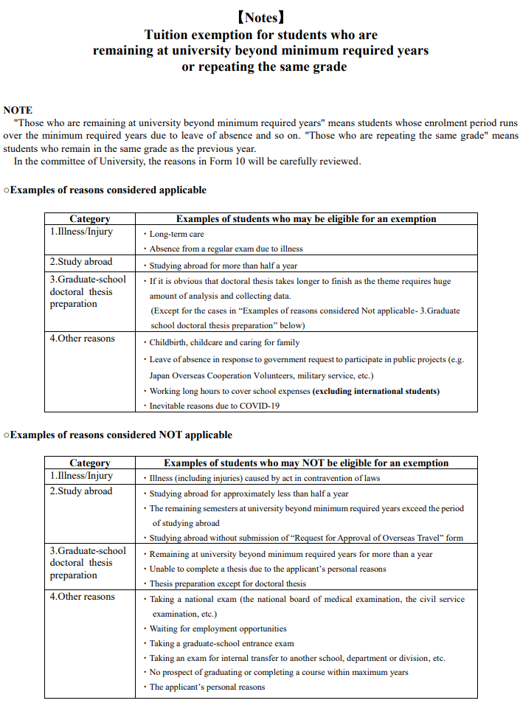

Form10
Form10
Reasons for Staying at University Beyond Minimum Years
For Tuition exemptions
（Be sure to attach 〔Form10-2〕Supervisor’s comments with this form）
 |  |  |  |  |  |  |  |  |  |  |  | 〔Form 10-1(1)〕

※1: Write the situation as of 1 April for the first semester or as of 1 October for the second semester.
※2: Additional documents may be requested if deemed necessary.
※3: Please read "Notes" before filling out this form.
★The yellow-green background is a required field.
Resubmission is needed in case required fields are blank. |  |  |  |  |  |  |  |  | Date: |  |  | / |  | /
Faculty / Graduate school |  |  | Degree | Year of Enrollment |  | Month of Enrollment |  | Student ID No. |  | Name

★Please select the reason for Staying at University Beyond Minimum Years. |  |  |  |  |  |  |  | ★ Please select a second reason, if any.

1. Illness ※This can only be proven by a medical certificate.
※A medical certificate or other documentation (stating the period of illness) must be submitted. Please staple the documents to Form 10-1(1).
Name of illness |  |  | :
Medical treatment Period |  |  | ① : From |  | / |  | / |  | to |  |  | / |  | /
 |  |  | ② : From |  | / |  | / |  | to |  |  | / |  | /
Leave of absence |  |  | ① : From |  | / |  | / |  | to |  |  | / |  | /
 |  |  | ② : From |  | / |  | / |  | to |  |  | / |  | /
If there are more periods to list, please fill in the cell on the right.
(Detailed description of your illness) ★Describe the severity of illness and how it affected your study in chronological order.

2. Studying Abroad ※Not qualified if the period of studying abroad is less than half a year.
Place (Name of the country) ：
Name of the university (institution):
Period of study |  | : From |  |  | / |  | / |  | to |  |  | / |  | /
Leave of absence |  | : From |  |  | / |  | / |  | to |  |  | / |  | /
Type of overseas study program:
3. Doctoral Thesis Preparation
※Please note that students who have repeated the same grade or remained at school beyond their program's minimum year due to the doctoral thesis preparation for more than one year are NOT qualified. Master’s thesis is also not applicable.

《Topic》
(Progress summary)

Form10
Reasons for Staying at University Beyond Minimum Years
For Tuition exemptions
（Be sure to attach 〔Form10-2〕Supervisor’s comments with this form）
 |  |  |  |  |  |  |  |  |  |  |  | 〔Form 10-1(2)〕

★The yellow-green background is a required field. |  |  |  |  |  |  |  |  | Date: |  | 0 | / | 0 | / | 0
Faculty / Graduate school |  |  | Degree | Year of Enrollment |  | Month of Enrollment |  | Student ID No. |  | Name
0 |  |  | 0 | 0 |  | 0 |  | 0 |  | 0
4. Other Reasons（The following 4-1 to 4-4 must be filled in.）
４－1. Please select the reason.

・ Please select a second reason, if any.

４－２. Please give details of the reason.
★If there is insufficient information about the duration, history and extent of the problem, we may ask for further information.

４－３. Please fill in the period.
Applicable period |  |  | ① : From |  | / |  | / |  | to |  |  | / |  | /
 |  |  | ② : From |  | / |  | / |  | to |  |  | / |  | /
Leave of absence |  |  | ① : From |  | / |  | / |  | to |  |  | / |  | /
 |  |  | ② : From |  | / |  | / |  | to |  |  | / |  | /
If there are more periods to list, please fill in the cell on the right.
４－４. Complete the following timeline and reasons.
Academic Year | Year in school | Main reasons to repeat a year (E.g. military service, child care, etc.) ※Otherwise select [in university]. |  |  |  | Detailed description
（April to March）
 | 1st | 1st semester (April) |  | 2nd semester (October)

 | 2nd
 | 3rd
 | 4th
 | 5th
 | 6th
 | 7th

職員作業用
学生番号 | 氏名 | 学部・研究科 | 課程 | 入学年 | 入学月 | 事由1 | 該当期間①開始 | 該当期間①終了 | 該当期間②開始 | 該当期間②終了 | 休学期間開始 | 休学期間終了 | 休学期間②開始 | 休学期間②終了 | 複数期間 | 事由詳細 | 事由2 | 該当期間①開始 | 該当期間①終了 | 該当期間②開始 | 該当期間②終了 | 休学期間開始 | 休学期間終了 | 休学期間②開始 | 休学期間②終了 | 複数期間 | 事由詳細
0 | 0 |  |  | 0 | 0

☆When submitting in data format, please do not delete this sheet.

